Jira Road Map
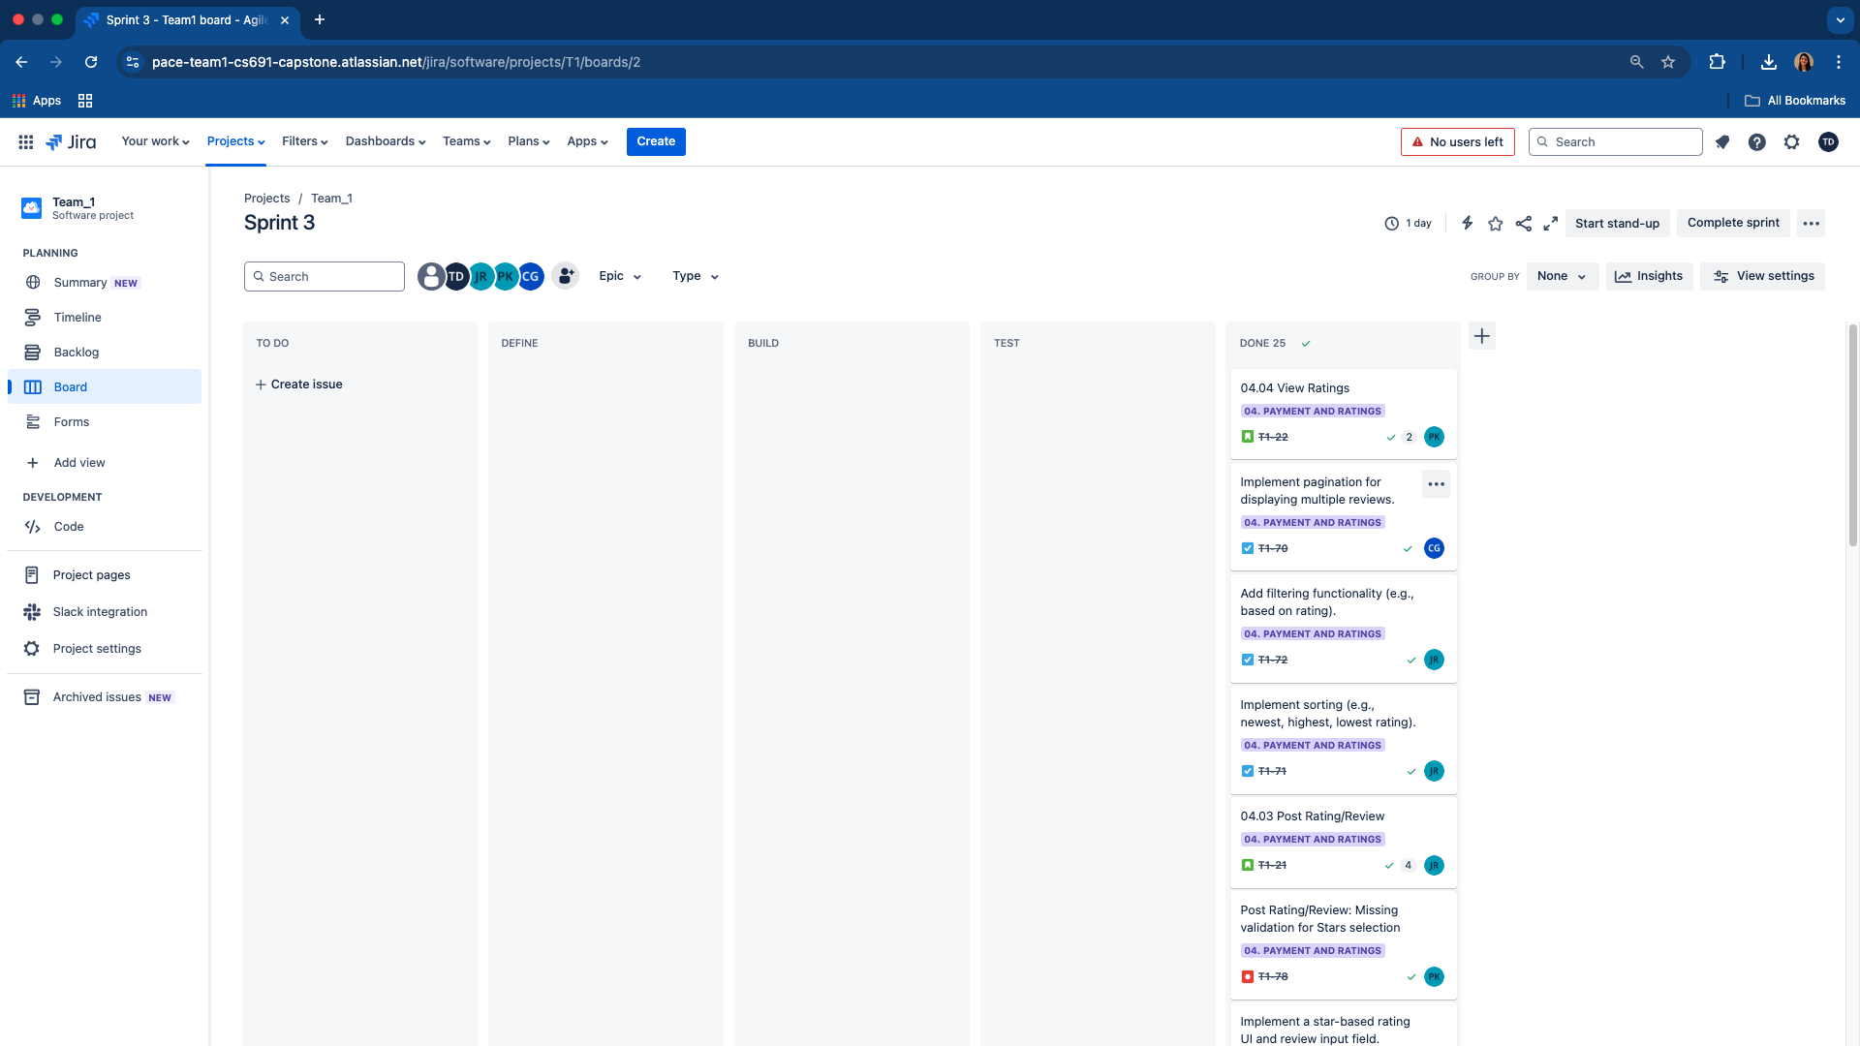
Timeline/Roadmap View: Months

Timeline/Roadmap View: Weeks

Kanban Board

